Chart
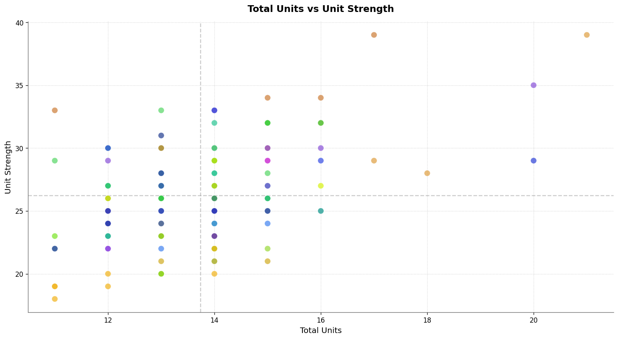
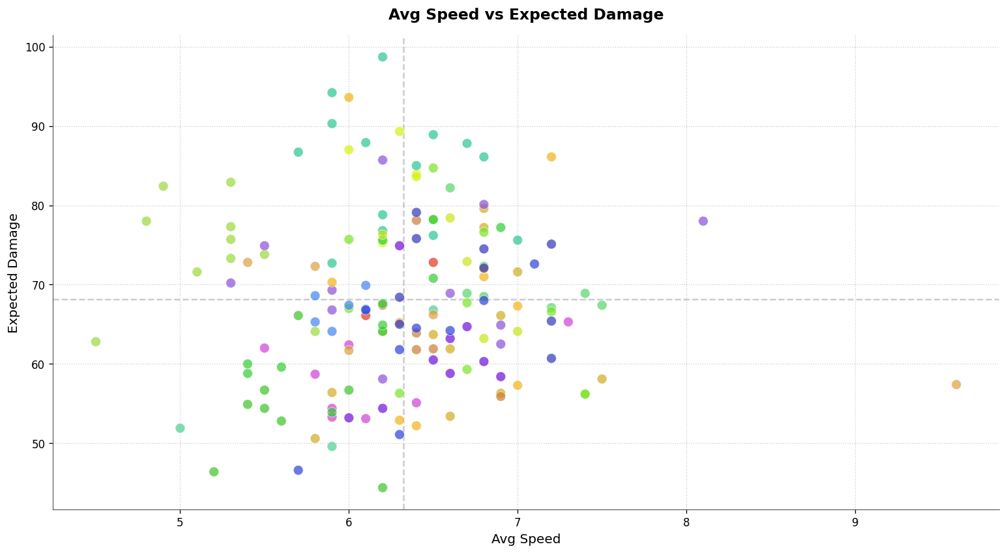
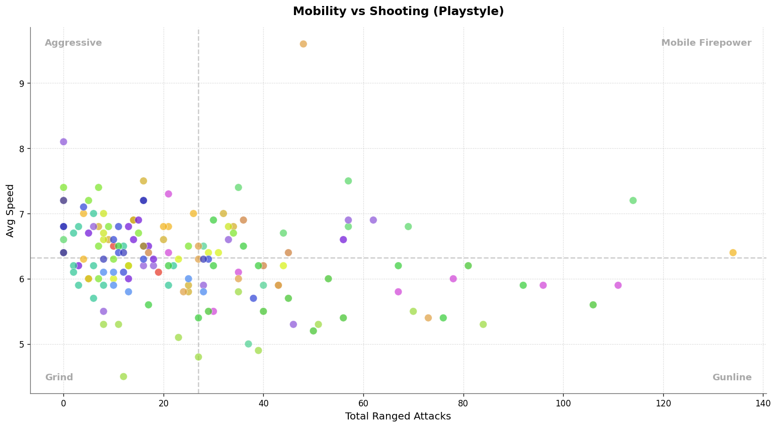
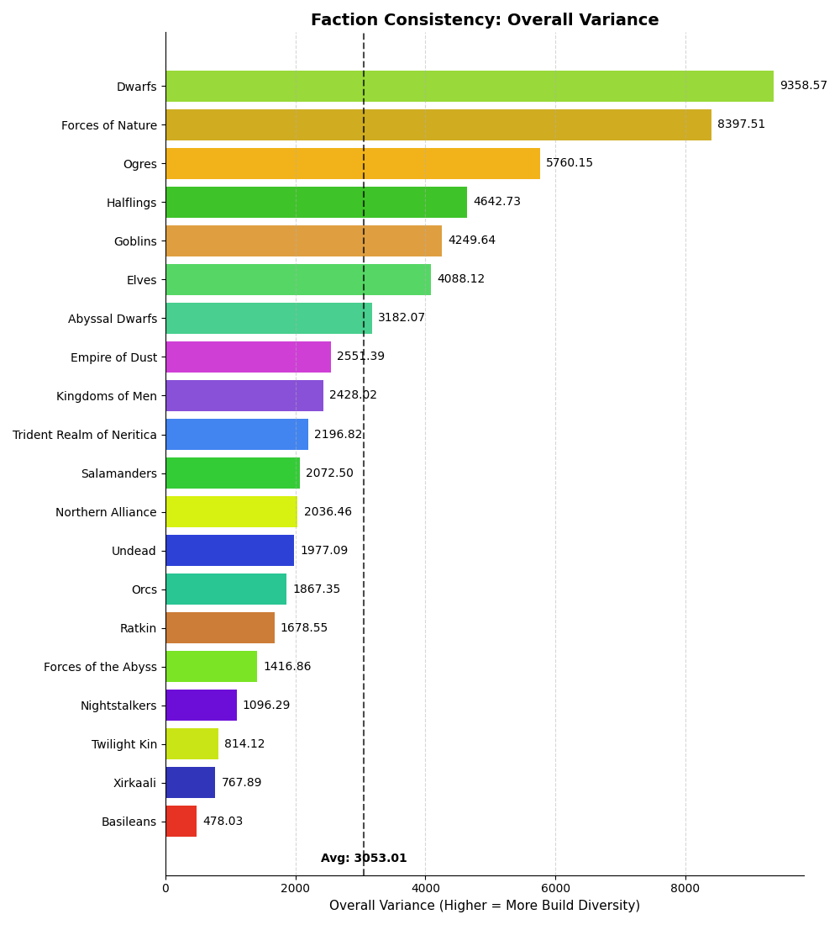
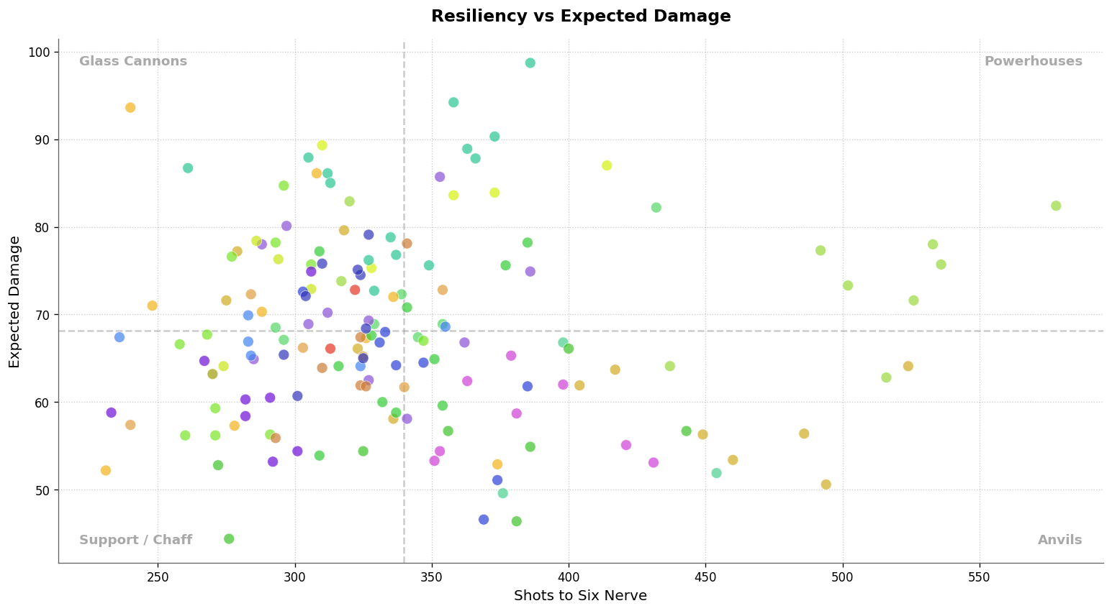
Legend: | Code
Abyssal Dwarfs | AD
Basileans | BA
Dwarfs | DW
Elves | EL
Empire of Dust | EO
Forces of Nature | FO
Forces of the Abyss | FO
Goblins | GO
Halflings | HA
Kingdoms of Men | KO
Nightstalkers | NI
Northern Alliance | NA
Ogres | OG
Orcs | OR
Ratkin | RA
Salamanders | SA
Trident Realm of Neritica | TR
Twilight Kin | TK
Undead | UN
Xirkaali | XI

